Workaround - SR Owner
Workarounds
4. SR Owner can be updated in Activity List view
You can now update an SR owner on same Activity List view like the Activity Owner | CR SR | Activity 1 | Admin
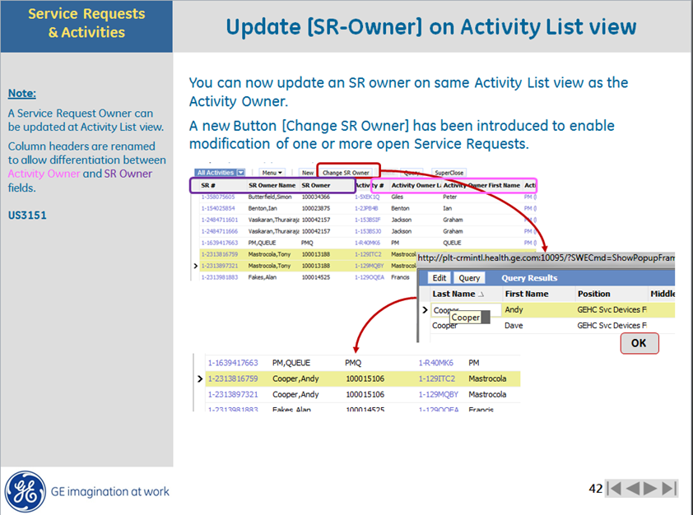
 |  | Activity 2 | FS | x
 |  | Activity 3 | FS | x

 | PM | Actviity 1 | PM
 |  | Actviity 2 | PM
 |  | Actviity 3 | Admin

 | Install | Actviity 1 | Install
 |  | Actviity 2 | Pre Install
 |  | Actviity 3 | Admin

 | FMI | Actviity 1 | Field support
 |  | Actviity 2 | Notification
 |  | Actviity 3 | Admin

 |  | Last activity owner = SR owner

